Sheet1
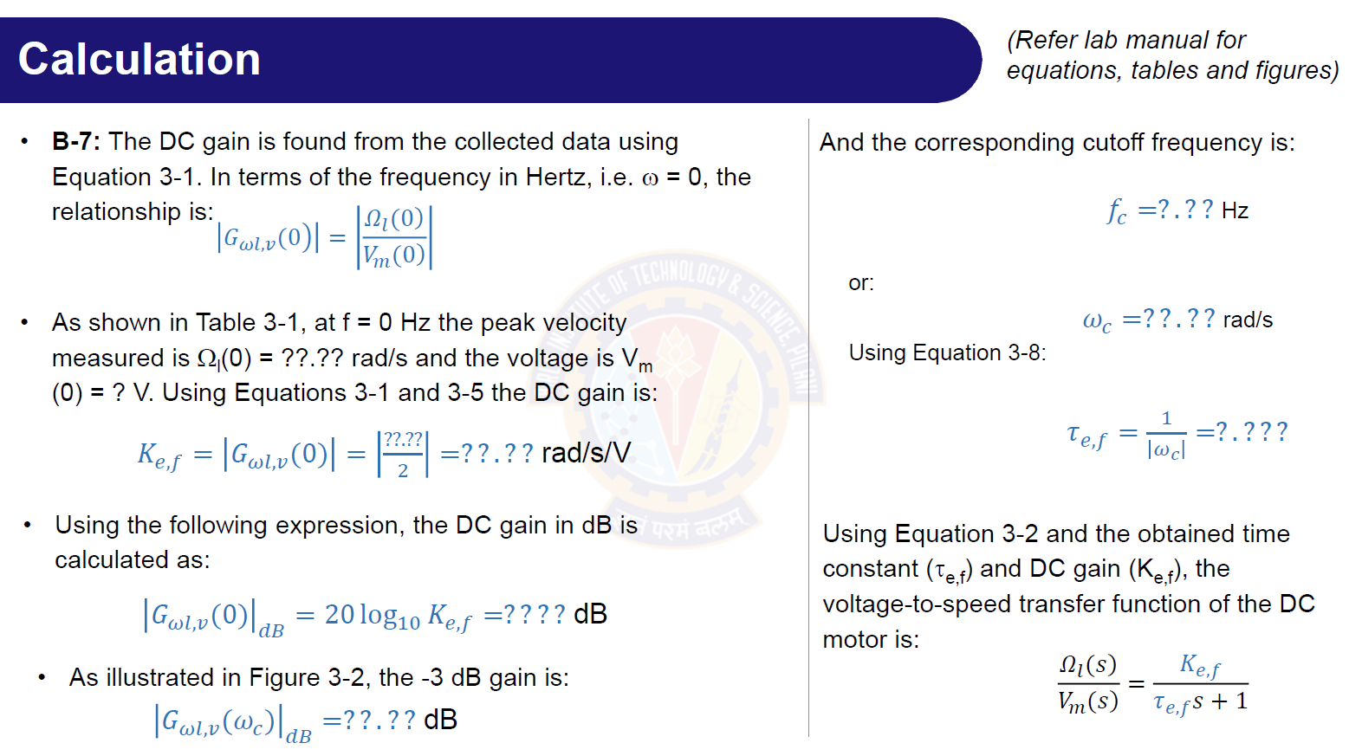

Ω(0) | K e,f (rad/s/v) | G at 0 (dB) | G at cut off (dB) | f at cut off (HZ) | w at cut off (rad/sec) | T e,f
47 | 23.5 | 27.421357245 | 24.421357245 | 1.495 | 9.3933620342 | 0.10645815591
 |  |  |  | 1.49557 | 9.3969434499 | 0.10641758199
 |  |  |  |  |  |  | f | peak velocity
 |  |  |  |  |  |  | 0 | 47
 |  |  |  |  |  |  | 0.5 | 43.2
 |  |  |  |  |  |  | 1 | 37.9
 |  |  |  |  |  |  | 1.5 | 33.36
 |  |  |  |  |  |  | 2 | 29.6
 |  |  |  |  |  |  | 2.5 | 26.7
 |  |  |  |  |  |  | 3 | 23.88

